GUI CGI SPEC
Xmind
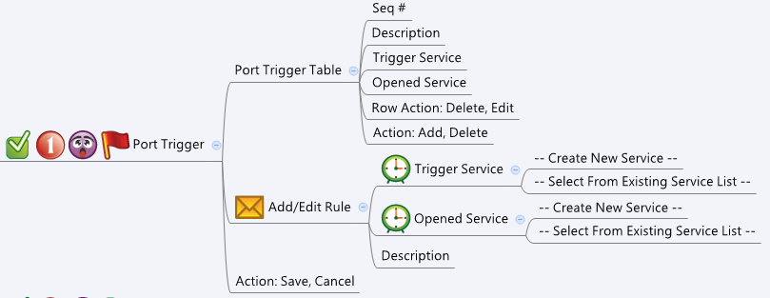

Behavior
* Trigger Service and Opened Service must have the same type (TCP/UDP/Both).
# Limitations: Max Port Trigger Table Size = 16
[UI Display Name] | [CGI Name] | [JSON Name] | [Description] | Range / Default Value / Units
Port Trigger Table / Add/Edit Rule |  |  |  | Table size: 16
N/A | portTrigger.cgi | guiPortTriggerTNum | int, number of rules
N/A | portTrigger.cgi | guiPortTriggerT.gid | unique numeric ID
Description | portTrigger.cgi | guiPortTriggerT.description | string, user added description for this rule. Limit length to 100 | Length: 100
Trigger Service | portTrigger.cgi | guiPortTriggerT.triggerService | unique numeric ID of a service object. Get information from common_service_list cgi. Show its name on GUI."Trigger Service" and "Opened Service" must be the same type (TCP/UDP) of service. Get this information from common_service_list. NOTE: only both, tcp or udp type of services can be show on this list.
Opened Service | portTrigger.cgi | guiPortTriggerT.openedService | unique numeric ID of a service object. Get information from common_service_list cgi. Show its name on GUI."Trigger Service" and "Opened Service" must be the same type (TCP/UDP) of service. Get this information from common_service_list. NOTE: only both, tcp or udp type of services can be show on this list.
N/A | portTrigger.cgi | guiPortTriggerT.cgiAction | 0: none, 1: add, 2: update, 3: delete

Common Service
N/A | common_service_list.cgi | guiServiceTNum | int
N/A | common_service_list.cgi | guiServiceT.gid | int
N/A | common_service_list.cgi | guiServiceT.name | All viewable ASCII code except (whitespace) ‘ ` “ % ?
N/A | common_service_list.cgi | guiServiceT.userDefined | 0/1
N/A | common_service_list.cgi | guiServiceT.type | int: 0: both (tcp/udp), 1: tcp, 2: udp, 3: icmp, 4: ip
N/A | common_service_list.cgi | guiServiceT.param1 | int
N/A | common_service_list.cgi | guiServiceT.param2 | int

JSON String

portTrigger.cgi
## GET & POST methods ##
{
"guiPortTriggerTNum": "1",
"guiPortTriggerT": [
{
"gid": "7788",
"description": "My trigger rule",
"triggerService": "4712",
"openedService": "4713",
"cgiAction": "0"
}
]
}

## cgi name ##
common_service_list.cgi
## GET methods ##
{
"guiServiceTNum": 2,
"guiServiceT": [
{
"gid": 4712,
"name": "HTTP",
"type": 1,
"userDefined": 0,
"param1": 80,
"param2": 80
},
{
"gid": 4713,
"name": "HTTPS",
"type": 1,
"userDefined": 0,
"param1": 443,
"param2": 443
}
]
}

